Linear Regression Example
Dataset
 | Y
1 | 1
2 | 2
3 | 3
4 | 4
5 | 5
6 | 6
7 | 7
8 | 8
9 | 9
10 | 10
 | 0
X | Y | y_hat | error | WF | bias | 0.22
1 | 1 | 1.11 | 0.11 | 0.11 | weight | 0.89
2 | 2 | 2 | 0 | 0 | Lr | 0.01
3 | 3 | 2.89 | -0.11 | -0.33 | examples | 10
4 | 4 | 3.78 | -0.22 | -0.88
5 | 5 | 4.67 | -0.33 | -1.65
6 | 6 | 5.56 | -0.44 | -2.64 | new b | 0.2585
7 | 7 | 6.45 | -0.55 | -3.85 | new w | 0.92025
8 | 8 | 7.34 | -0.66 | -5.28
9 | 9 | 8.23 | -0.77 | -6.93
10 | 10 | 9.12 | -0.88 | -8.8

 | Sum Errors |  | -3.85 | -3.025

Nueral Networks
Neural Network Example (Toy Example)
X1 | X2 | A1 | SIG(A1) | H1 | A2 | SIG(A2) | H2 | A3 | H(X) | Prediction
0 | 0 | -1 | 0.27 | 0 | 1 | 0.73 | 1 | 1 | 0.73 | 1
0 | 1 | 0 | 0.5 | 0 | 0 | 0.5 | 0 | -1 | 0.27 | 0
1 | 0 | 0 | 0.5 | 0 | 0 | 0.5 | 0 | -1 | 0.27 | 0
1 | 1 | 1 | 0.73 | 1 | -1 | 0.27 | 0 | 1 | 0.73 | 1
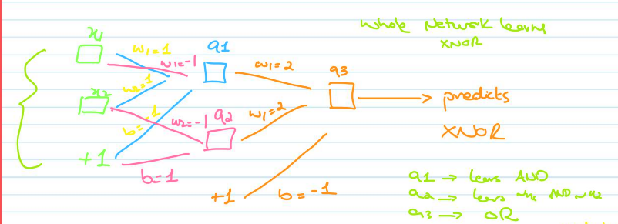
 | AND | NOT | OR
w1 | 1 | -1 | 2
w2 | 1 | -1 | 2
b | -1 | 1 | -1

